Sheet1
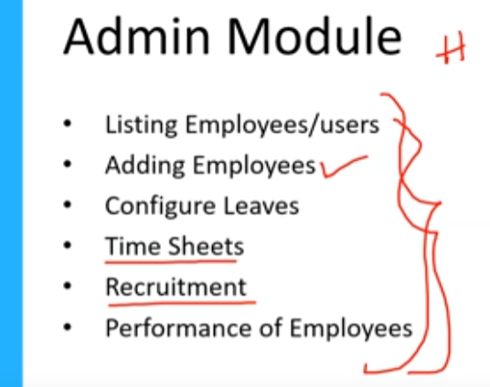 | 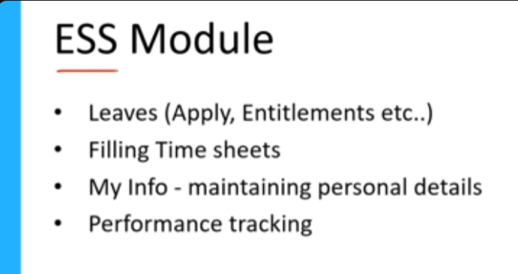 |  | FUNTIONAL REQUIREMENT

HIGH LEVEL MODULE
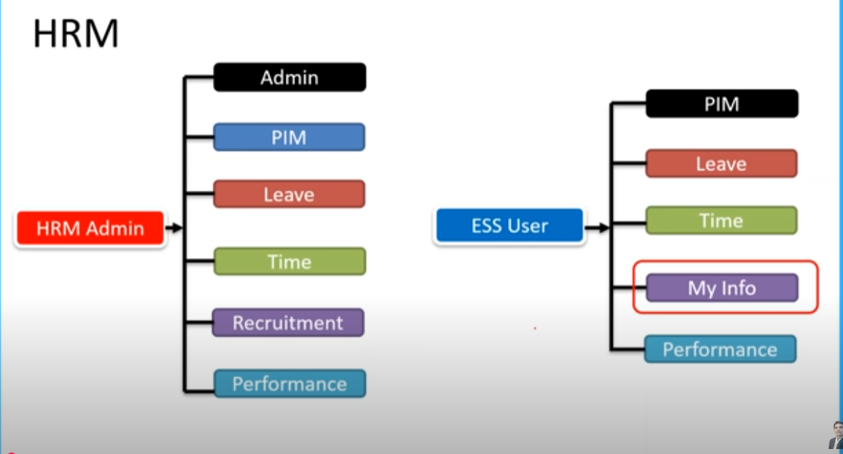

HRM ADMIN - HR |  | ESS USER - EMPLOYEE

STLC
Understand Req.
Test scenario
Test Planning
Test Cases
Test Execution
Identify defect & report to dev( Defect Report)
Closure

